필수확인사항
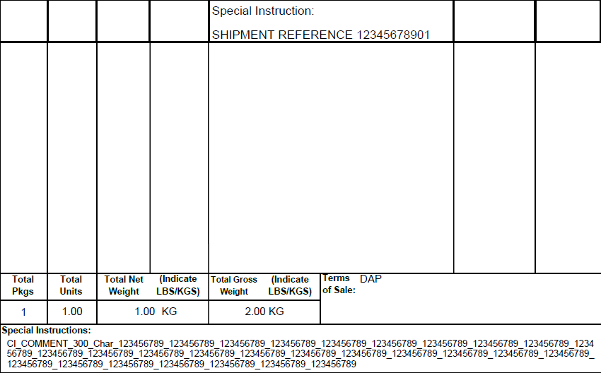
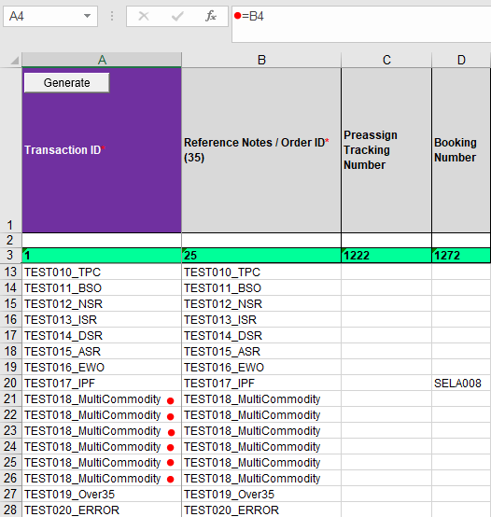
 | Generate 버튼 - 모든 필요 사항을 입력 후 발송 파일(YYYYMMDD_HHMMSS.in)을 생성

 | Reference Notes / Order ID* - 주문 번호 혹은 주문 확인 번호등 주문을 구분할 수 있는 기타 사항을 입력

 | Transaction ID* - Reference Notes / Order ID에 입력 된 내용을 복사하여 입력 (수식으로 자동 입력)

 | Reference Notes / Order ID와 Transaction ID는 아래와 같이 운송장에 출력

 | 하나의 주문에 복수의 물품을 발송하는 경우 동일한 Reference Notes / Order ID와 Transaction ID를 입력
 |  | 항공 운송장에는 최대 4개의 Commodity를 표기하며, 상업 송장에는 입력된 모든 Commodity가 표기
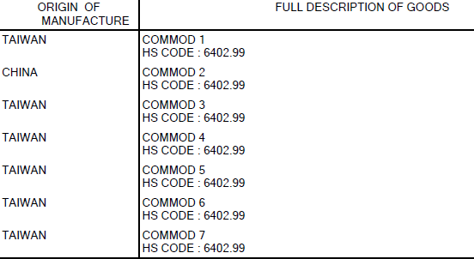

 | Preassign Tracking Number / Booking Number - 사용하지 않는 경우 "열" 삭제, 가능

수취인 관련 정보 입력 - ( )에 있는 최대 입력 가능 글자수를 초과하여 입력할 수 없음 (노란색 표시)

상업 송장 / Commodity 관련 입력 - 필수 값들은 반드시 입력
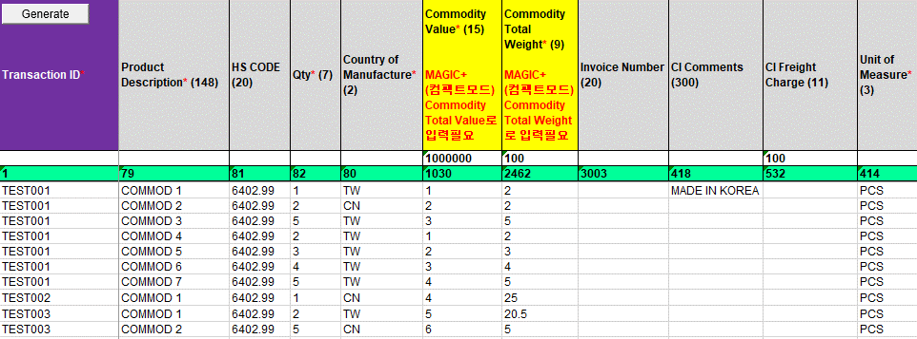

Service / Package 관련 사항 입력 - 복수의 물품을 발송하는 경우라도 동일한 주문 첫줄의 값만 사용함
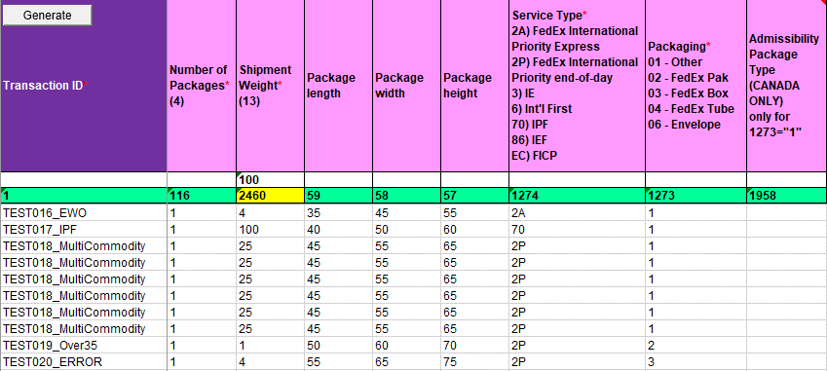
 |  |  | Commodity Total Weight (2462) 와 Shipment Weight* (2460) 을 모두 입력하는 경우,
 |  |  | Commodity Unit Weight의 총합이 Shipment Weight를 초과할 수 없음

 |  |  | Multi Commodity를 발송하는 경우, 첫 행의 Shipment Weight* (2460) 만 적용 됨

 |  |  | Package height, width, length - 필수 값은 아니지만 가능한 입력하는 것을 추천

 |  |  | Service Type와 Packaging Type는 Sales와 협의

 |  |  |  | 기타 입력 관련 사항은 CTKR@corp.ds.fedex.com으로 문의

CI Comment 및 추가 참조 입력 내용

항공 운송장 출력 내용

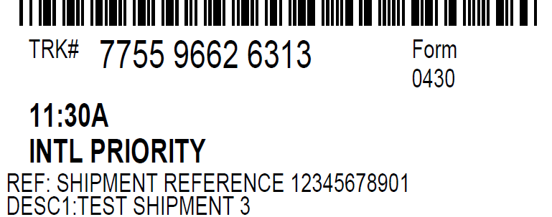

상업 송장 출력 내용

발송화면
117 / Sender Country
1201 / Sender Email Address
4 / Sender Company Name
32 / Sender Contact Name
7 / Sender City
9 / Sender Postal Code
6 / Sender Address 2
5 / Sender Address 1
183 / Sender Phone Number

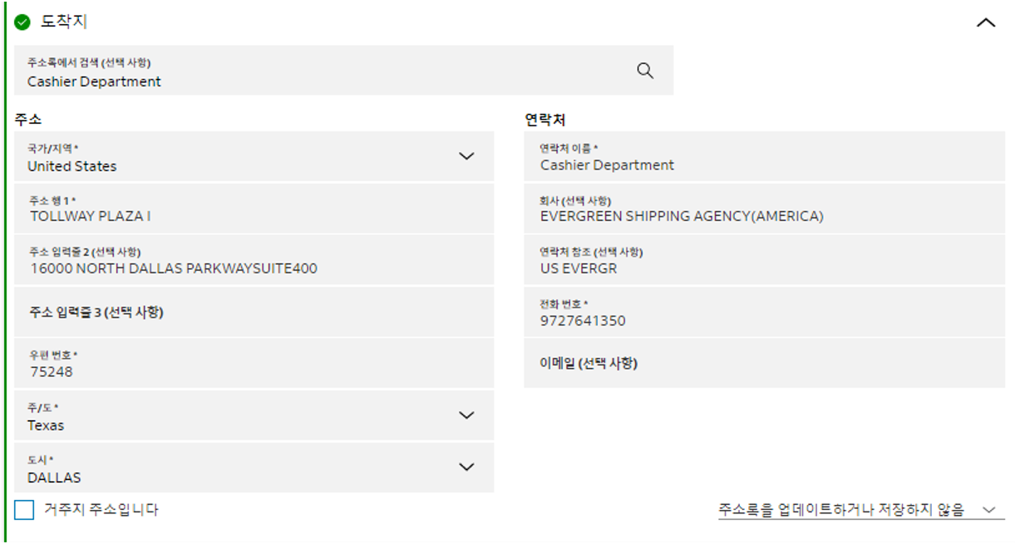
16 / Recipient State Code
15 / Recipient City
17 / Recipient Zip Code
2944 / Recipient Address Line 3
14 / Recipient Address Line 2
13 / Recipient Address Line 1
50 / Recipient Country Code
1202 / Recipient Email
18 / Receipient Tel #
11 / Recipient Company Name
12 / Recipient Contact Name

59 / Length
116 / Total Number of Packages
1273 / Package Type
57 / Height
58 / Width
75 / Weight Type
1116 / Dimension Unit of Measure (C/I)

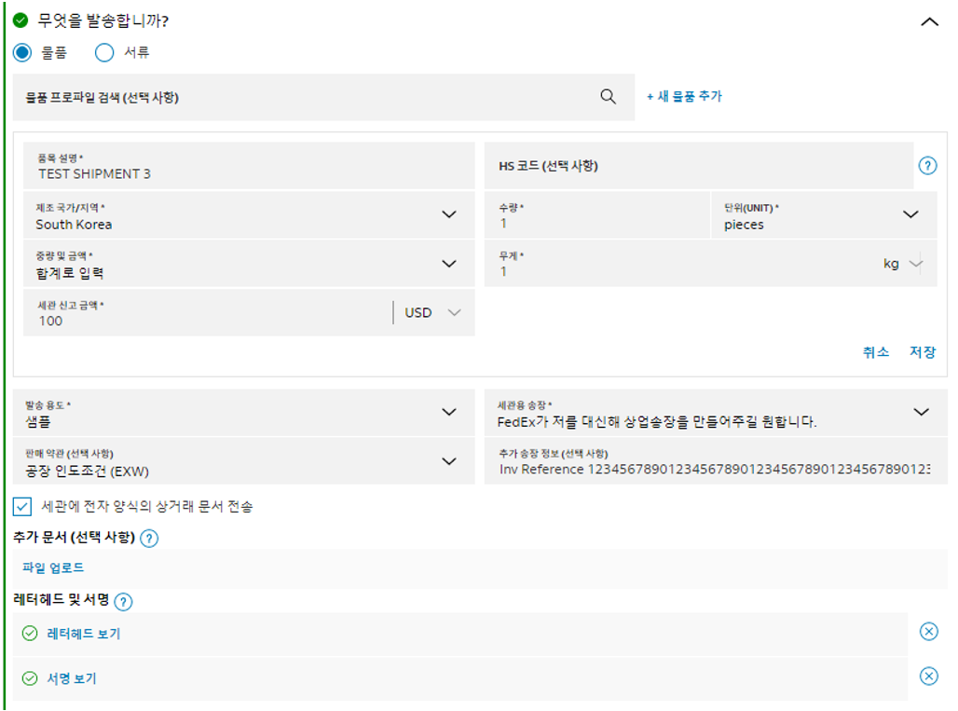
82 / Quantity
79 / Product Description
81 / HS CODE
2397 / Purpose of Shipment
418 / CI Comments
414 / Unit of Measure
80 / Country of Manufacture
2462 / Commodity Total Weight
1030 / Commodity Total Value
72 / Invoice Terms Of Sale
2806 / ETD Enabled
190 / Document Shipment Flag (Y/N)
113 / Commercial Invoice Flag (Y/N)
1681 / Pro-Forma Invoice Flag (Y/N)

75 / Weight Type

68 / Currency

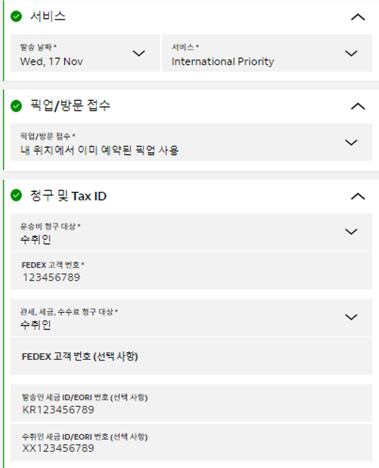
118 / Recipient IRS/EIN Number
20 / Payer Account Number
1274 / Service Type
1139 / Sender IRS/EIN Number
71 / Duty / Tax Payer Account Number
70 / Duty / Tax Paymernt Type
23 / Payment Type
24 / Ship date (YYYYMMDD)
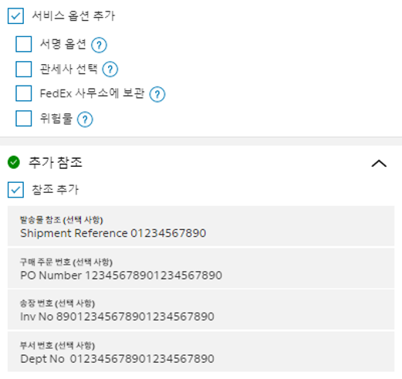
25 / Reference Notes or Order ID
3003 / Invoice Number

38 / Department Notes

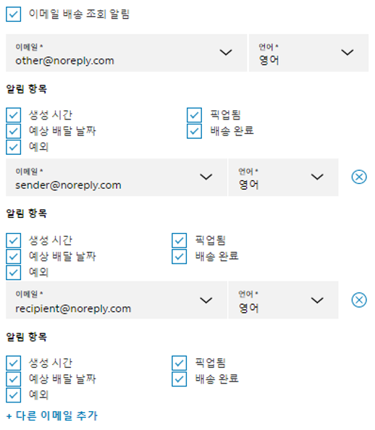
1556 / Recipient Delivery Alert Flag
1961 / Exception Alert to Sender
1554 / Shipper Ship Alert Flag
1553 / Shipper Delivery Alert flag
1558 / Recipient Language Code
1962 / Exception Alert to Recipient
1557 / Recipient Ship Alert flag
1555 / Sender Language Code (EN/KO)
1204 / Others ShipAlert E-mail Address #1
1960 / Other Exception Notification Flag #1
1206 / Others ShipAlert Flag #1
1551 / Others Delivery Alert Flag #1
1552 / Other Language Code #1

